Graphs
Statistics
Percent of Coverage
Confidence of Coverage
 | Percent | Counts | High | Med | Low
EDR | 0% | 0 | 0 | 0 | 0
Network | 0% | 0
Sysmon - Dll | 0% | 0
LOG-MD (non-log) | 0% | 0
Logs | 0% | 0

Counts out of 187 Techniques

Stats
QTY By Category
Statistics

Event ID | ID No. | Description | Category | Quantity | Percent

Sample 2
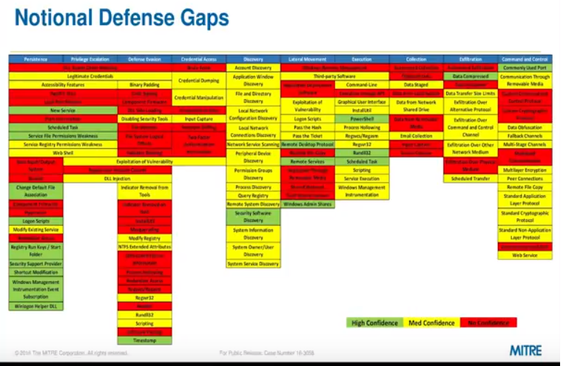

Sample
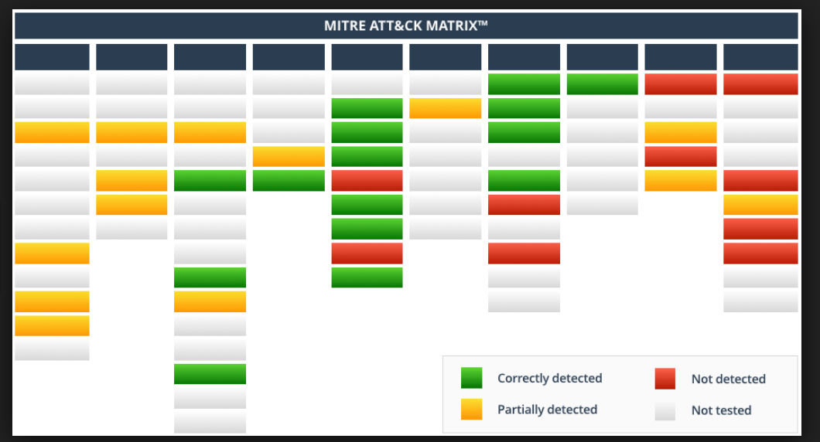

Quick Wins
